Drainage
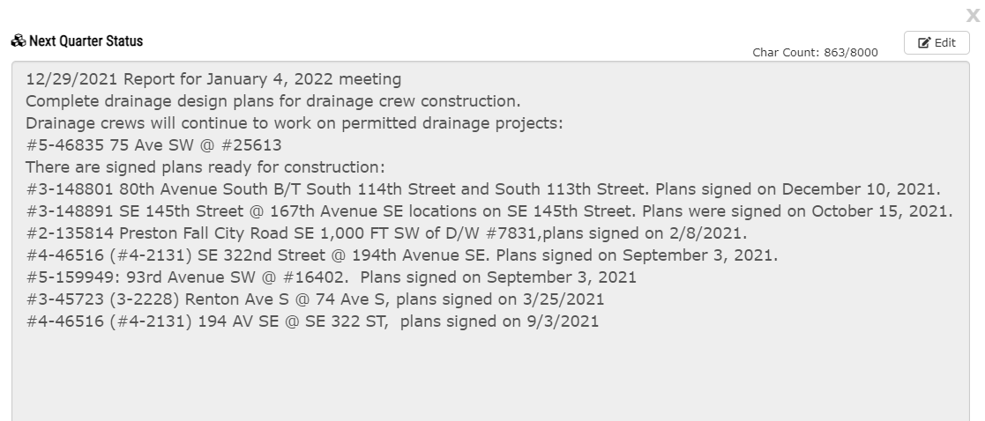
Updates from 1/5/22 Meeting
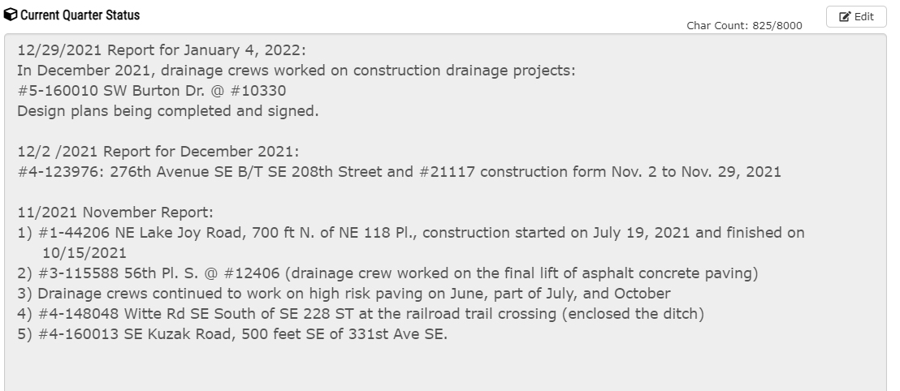

Update from January 25, 2022
Drainage Update Meeting Agenda (add bold when updating)
Current Drainage Construction Projects:
75th Avenue SW @ #25613 Phase I (#5-46835) – construct a new underground drainage collection system. Construction started last Tuesday January 17th. Construction is at the SW 257th Street intersection. Curb inlet and DI pipe project over existing utility lines. Potholing with vactor truck ahead of construction. Working with utility companies on needed service line relocations. 800 feet project length. The project is on Maury Island. Informational project flyer was sent out to Gold Beach area residents recently.
Recent Completed Drainage Construction Projects:
SE 165th Street @ #16316 (#3-142036) – construction occurred on January 10-13, 2022.
Snow response from Christmas through Friday January 7, 2022.
Renton Avenue South @ 74th Avenue South (#3-45723, #3-2228) – project constructed in December 2021.
Upcoming Drainage Construction Projects with Signed Plans Ready for Construction:
80th Avenue South B/T South 114th Street and South 113th Street (#3-148801) – replace deteriorated pipe with steel plate over it in Skyway. One block of pipe and CB replacement. Utility pole hold may be required at South 114th Street. Plans signed on December 10, 2021.
SE 145th Street @ 167th Avenue SE (#3-149891) – replace rusted out non-functioning underground drainage system. Drainage crew potholed underground utility line locations on SE 145th Street in fall 2021. Pothole results have been recently evaluated by design staff and revisions are being made to the plans. Plans were signed on October 15, 2021.
Preston Fall City Road SE 1,000 FT SW of D/W #7831 (#2-135814). Pipe end repair and CB replacement with cross culvert replacement. Underground phone line on west side of road adjacent to the CB replacement. Plans signed on February 8, 2021. Need to post the construction timeline on the Road Alert.
SE 322nd Street @ 194th Avenue SE (#4-46516, #4-2131) – replace deteriorated cross culvert and remove two abandoned cross culverts. Need to construct when no flow from Lake Morton. Plans signed on September 3, 2021.
93rd Avenue SW @ #16402 (#5-159949) – replace cross culvert with collapsed concrete pipe section near the outlet on Vashon Island. Two day construction to occur in spring 2022 when dryer. Plans signed on September 3, 2021.
Drainage Projects being Designed:
SW 257th Street @ 76th Avenue SW (#5-164602) – install an underground pipe system to drain a low ponded road area. Adjacent to the 75th Avenue SW project. Drainage crew may construct this project in conjunction with 75th Avenue SW Phase I soon. Plans are being finalized presently.
75th Avenue SW @ #25613 Phase II (#5-46835) – construct a new underground drainage conveyance system draining to Puget Sound. Construction on the entrance road to the Gold Beach neighborhood. DI pipe has been ordered. Plans are being finalized and will be signed soon.
SW 256th Street @ 79th Avenue SW (#5-112742) – install system to drain ponded stormwater area in the ninety degree road curve. Near the 75th Avenue SW project
SW 110th Place @ #2835 (#3-45724, #3-2229) – add a CB and conveyance pipe in cul-de-sac to solve a drainage collection problem. Plans are finalized and will be signed soon.
Avondale Road NE @ #15926 (#1-396756) – school pathway project at Cottage Lake Elementary School. Separate funding for construction. April 2022 construction during spring break week.
Vashon Highway SW @ #16624 (#5-63552) – replace three CB’s and connecting pipes.
177th Place SE @ SE Lake Holm Road (#4-154514) – add an underground drainage collection system. Plans are in the final design phase.
80th Avenue South @ #13444 (#3-151429) – add a drainage collection system. Project design started – design scope of work being confirmed.
SE 157th Street @ #25803 (#3-157994) – install a new drainage conveyance system. Draft plans have been completed.
15th Avenue SW @ SW 100th Street (#3-147728) – replace catch basins in White Center.
SE 129th Street @ #47018 (#2-151748) – resolve a shoulder drainage ponding and maintenance problem in a residential neighborhood south of the Mt. Si Road near North Bend.
SE Reinig Road @ 396th Avenue SE (#2- 53206) – replace inlet side CB and cross culvert. Heritage tree corridor – inlet side CB to be shifted away from large tree. Plans are being revised. Met on 9/27/21 on the design and a field meeting occurred on Wednesday October 6th. Flood certification required.
SE Reinig Road, 300 Feet West of 428th Avenue SE (#2- 55122) – replace cross culvert. Plans being finalized. Flood certification may be required.
180th Avenue SE @ #13825 (#3-147138) – install a new underground drainage collection system and replace cross culvert. Plans are waiting to be finalized.
SW Ellisport Road, 330 Feet West of #8522 (#5-399480) – seepage out of pavement – uphill and adjacent to previously fixed area in 2016. Seepage active in August 2021 but not now in wet December. Construction to occur in the future when seepage is active.
New Topics:
Slide Repair Projects
Burma Road SW @ #13311 Slide Repair project (#7-401552, Oracle#1138229)
Vashon Highway SW @ #29831 Slide Repair Project (#7-401609, Oracle #1138216)
Cunliffe Road Pavement-Slope Failure near Winghaven Park (Oracle #1138230)
Middle Fork Road @ 9.7 miles
NE Old Cascade Highway (Oracle #1138237)
Monster Road (Oracle #1138217)

Traffic Safety Report
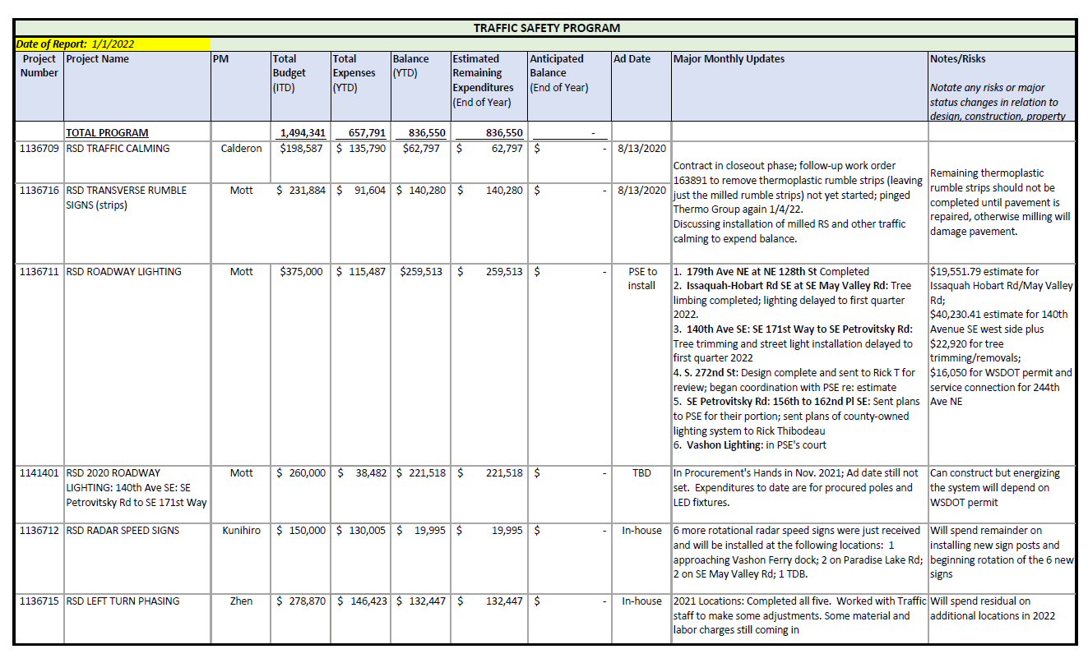
Need to add Overhead Flasher Upgrade to LED Stop Signs - federal grant funded

Bridge Priority Maintenance
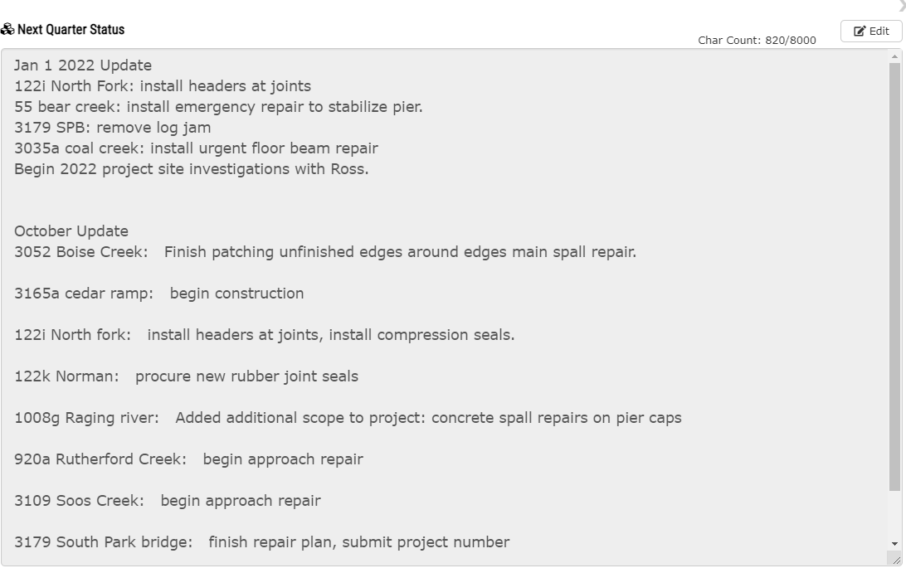
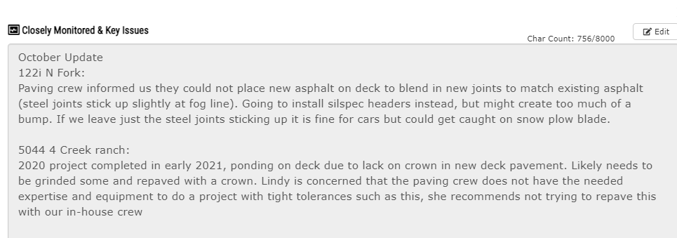
Updates from Jan 2022 PM Meeting

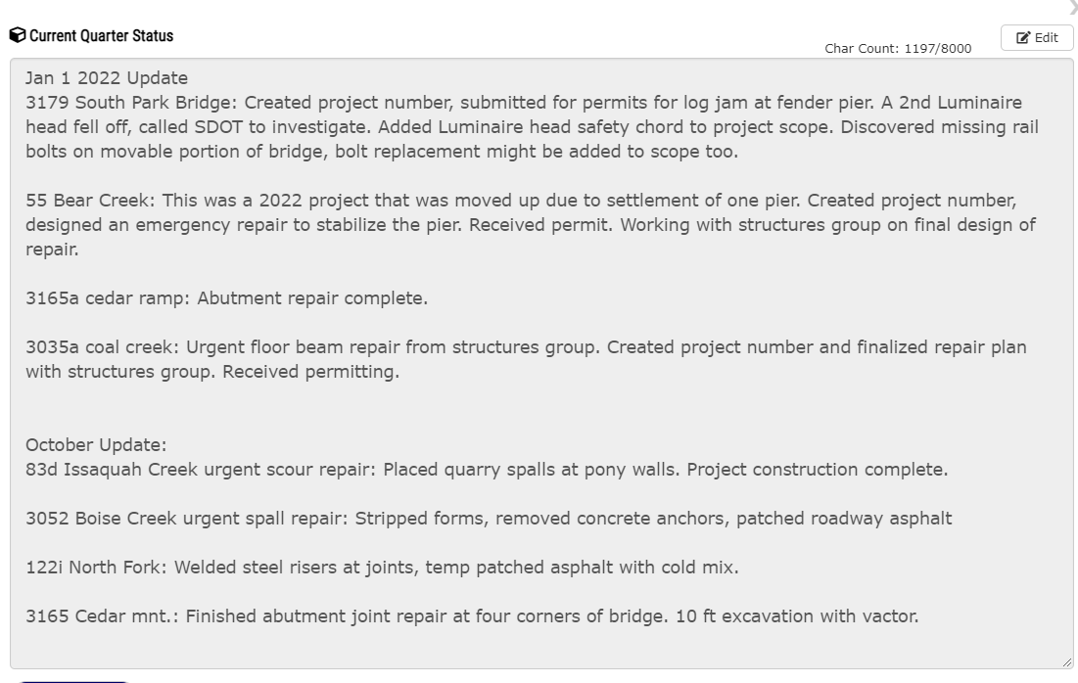
From Larry on 10/20 in response to Q3 results:
So we have a lot of dynamic things happening here: Here is a suggested explanation:
Contractor bids for the Judd Creek Bridge repair project came in under the engineers estimate so we were able to complete the project below the estimated amount.
Two planned 2021 deck repair projects (Whitney Bridge 3025 epoxy overlay and Green River Bridge 3216 epoxy seal) got delayed until 2022 due to supply chain disruptions for the raw materials (epoxy).
A number of repair projects that were planned for Q2 (Cedar Mountain Bridge 3165 abutment repair) and Q3 (Soos Creek Bridge 3109 approach repair, Rutherford Slough 920a approach repair, and North Fork Bridge 122I expansion joint repair) were moved to Q4. The charges for these have not fully posted.
Two recent urgent repair projects (Issaquah Creek 83D scour repair and Boise Creek 3052 spall repair) were recently completed but charges have not yet posted.
Two other planned repair projects for 2021 were removed from this year’s work.
Novelty Bridge 404b approach repair - This was planned to be funded out of BPM but ended up getting charged to a different maintenance budget.
Smith Parker Bridge 615a paint repair – This was removed from BPM. During UBIT inspection the paint loss was determined to be too severe for spot painting repairs, the bridge was then moved onto the priority list for a full repainting.
Pat - There is a lot here because of the dynamic nature of BPM, feel free to clean up if necessary.
Thank you,
Larry

Gate Follow Up
Current gates in progress as of 1/19/22
CDR (Gate 2)
In Final Review (what is current status?)
1138947 FPP 284th Ave SE – in review w/Rose&Joann – Joann sent to Lica for edits – then send to Michelle (1/24/22 - Lica making edits, Rose want to review again)
1138339 FCD S 106th (18th Ave S) – in review w/Rose&Joann – should be done today -1/24/22 edits sent back to Dieu
1136231 FPP 185th at 179th – in review w/Rose&Joann? – Rose/Joann discussing. Will be signed by end of next week. -1/24/22-still reviewing, should be done this week 1/26-Rose received final revision and will review 1/26/22 to move forward for signatures
(Consultant contract extension is based on CDR getting signed off in Jan 2022) - Rose and Joann are aware
Coming up for review – send PM updated process/reminder email
1136238 NE 24th Street Culvert – Needs CN estimate to finish (beyond 90% design) – Terry working on it
1140858 244th Ave NE – scheduled to complete CDR Jan 2022?
Baseline (Gate 3)
Started review process w/Pat- (current status? Need reminder email sent to PM?)
1127589 NE 165th St Flood Reduction – In 99% Design - Martin finalizing with 2024 CN
1131235 S 360 St & Military Roundabout – In 90% Design, Pat coordinating with PM and Aileen
1136232 FPP Bear Creek Projects – In 99% Design - Mark working with Pat - Budget has now been adjusted, can finalize - would be NO CN funding form
1136000 Baring Bridge – In 90% Design – Trinh waiting for info on addtl ROW costs -amendment was signed today - CN moving out 1 to 2 years
In progress – send PM updated process/reminder email
1136419 FPP 432nd St Culvert - In 99% Design, Need CN estimate to complete CDR
1136234 Woodinville Duvall at 172nd Culvert- In 60% Design – New PM Wang
Complete after DCM moving CN from 22 to 23 is signed?
Design Change Management Forms
1130710 SE380th Culvert – CN moving to 2023?
ROW delays and design on hold to work on Old Cascade per 1/13/22 team meeting.
Lyou project. Jon/Ryan to fill out? PDO to help set up?
TBD – can construct in 2022 if done in house – can ROW be completed? - awaiting decision from Maintenance team (still TBD as of 1/24/22)
1136234 Woodinville Duvall at 172nd Culvert – to capture CN move from 22 to 23
In progress. Wang was sent new process email - follow up 1/24/22 - Jun is getting updated schedule from KPFF

ART priority list
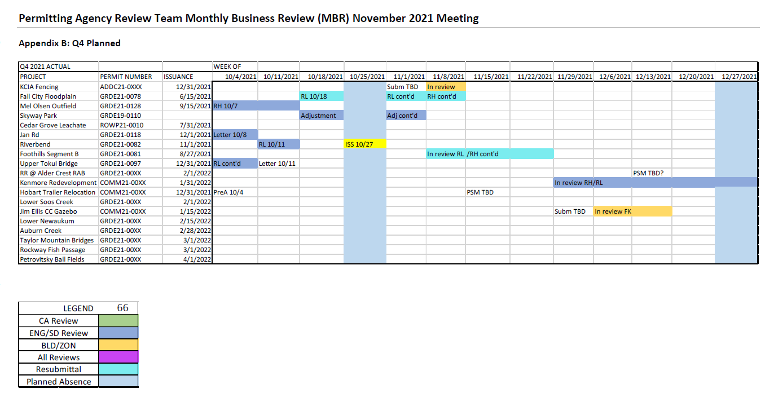
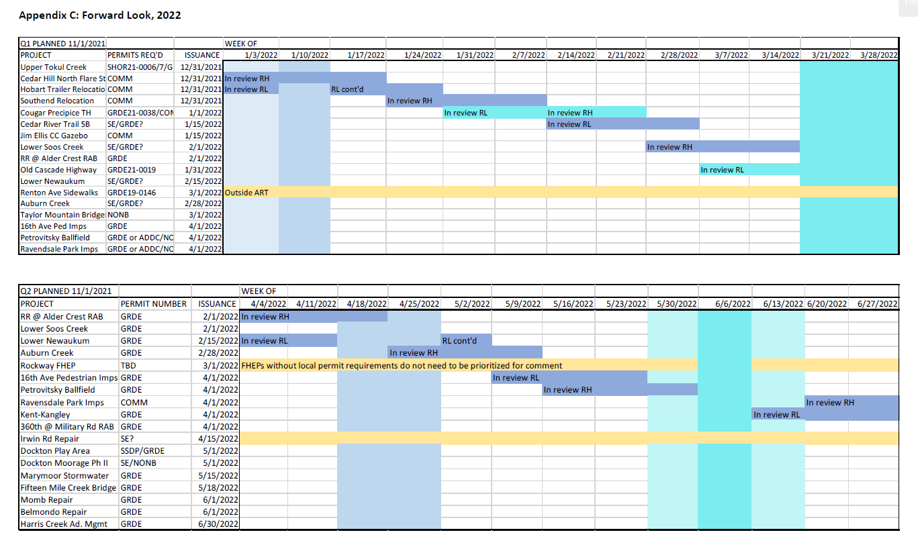
Joann shared 10/20/21 -
*only includes projects that need C&G permits (i.e. Woodinville FPP not needed)
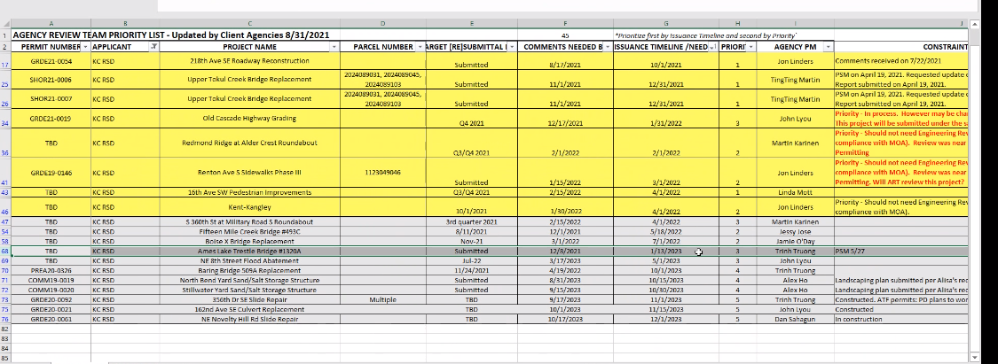

ART Monthly Meeting – November 1, 2021
Attendees: Alisa, Ron, Ramon, Ty, Lindsey, Jon, Stephanie, Ty, José, Francisco, Mohamed
2022 workplan is complete, with the exception of a few chances that need to be made.
Given Alisa is leaving, she included a transition plan in this month’s MBR. Her and Ty will be finding someone at Permitting that can help the ART team with moving submittals through the queue.
Project managers may need to take a more active role in reaching out to reviewers in the interim.
Alisa will be sending out intro emails
Priority List/Big issues should got to Ty and Mark
Recruitment for replacement has been posted
Went over this month’s activities
Note when reviewing schedule – ART has struggled with scheduling time for resubmittals. Alisa is hoping to add some time in 2022 for this. She included a new color (see colo0r code in the attachment) for resubmittals in 2022 and a new “resubmittal window” which is a way to build this time into the schedule. It is not necessary to get your resubmittal in during this window – it is just a method of adding this time in the schedule. This will hopefully help maintain some additional stability into the schedule. She would love to hear suggestions on how to handle this.
Jon asked if the reasons re-submittals have been consistent? Alisa thinks it is usually due to non-compliance to one of the things in the core requirements (sometimes minor, sometimes not). Ramon noted that it is usually consistency that he looks at (with stormwater and road standards requirements).
Some discussion about resource sharing at Permitting/ART. This was a re-hash of some previous conversations.

